stock analysis
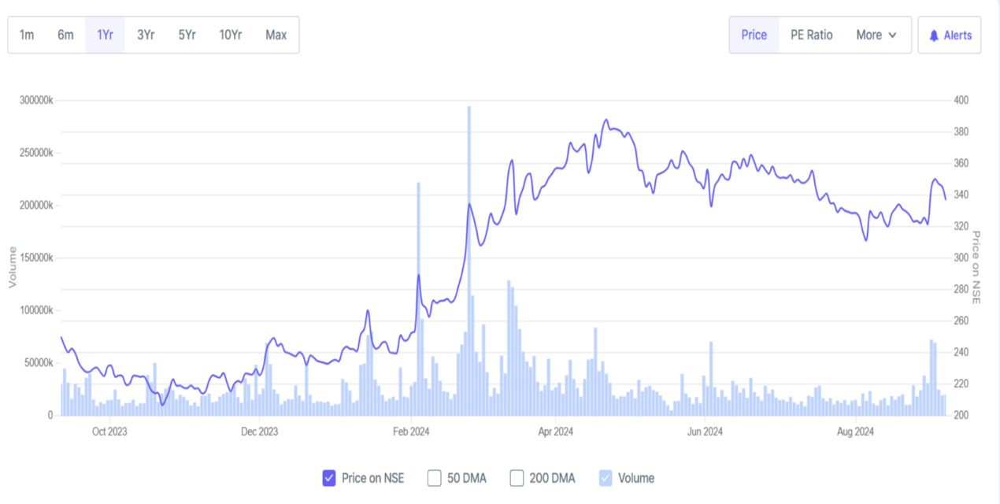
JIO FINANICAL SERVICES LTD
Market cap
₹ 2,14,010 Cr.
Sales Growth
4036%
Profit Growth
6282%
Stock Price CAGR
33%
Current price
₹ 337

Profit & Loss Statement |  |  |  |  |  | Balance Sheet |  |  |  |  |  | Cash Flow
 |  |  |  |  |  |  | Narration | Mar-23 | Mar-24
 | Narration | Mar-23 | Mar-24 | TTM | RATIO |  | Equity Share Capital | 2 | 6,353 | RATIO |  |  | Cash Flow | Mar-23 | Mar-24
 | Sales | 45 | 1,855 | 1,858 |  |  | Reserves | 114118 | 132794 |  |  |  | Cash from Operating Activity | 2,055 | -678
 | Expenses | 6 | 296 | 331 | Stock P/E RATIO 135 |  | Borrowings | 743 | 0 | Cash converstion cycle |  |  | Cash from Investing Activity | -1,110 | 1,441
 | Operating Profit | 39 | 1,559 | 1,526 |  |  | Other Liabilities | 66 | 5715 | Mar-23 | Mar-24 |  | Cash from Financing Activity | -889 | -753
 | Other Income | 10 | 429 | 424 | ROCE 1.55% |  | Total Liabilites | 114930 | 144863 | 113 | 3 |  | Net Cash Flow | 56 | 11
 | Depreciation | 0 | 22 | 22
 | Interest | 0 | 10 | 0 | Book Value 219 |  | Net Block | 158 | 172 | High/Low 395/204
 | Profit before tax | 49 | 1956 | 1,929 |  |  | Capital Work in Progress | 3800% | 300%
 | Tax | 37% | 18% |  | NPM last year 86.55% |  | Investments | 108141 | 133,292
 | Net profit | 31 | 1,605 | 1,585 |  |  | Other Assets | 6,593 | 11,395
 |  |  |  |  |  |  | Total | 114,930 | 144,863
Chart |  |  |  |  |  | Chart |  |  |  |  |  | stock price
Profit & Loss
 | Mar-23 | Mar-24 | TTM
Sales | 45 | 1855 | 1858
Expenses | 6 | 296 | 331
Operating Profit | 39 | 1559 | 1526
Other Income | 10 | 429 | 424
Depreciation | 0 | 22 | 22
Interest | 0 | 10 | 0
Profit before tax | 49 | 1956 | 1929
Tax | 0.37 | 0.18
Net profit | 31 | 1605 | 1585
 | Mar-23 | Mar-24
Equity Share Capital | 2 | 6353
Reserves | 114118 | 132794
Borrowings | 743 | 0
Other Liabilities | 66 | 5715
Total Liabilites | 114930 | 144863
Net Block | 158 | 172
Capital Work in Progress | 38 | 3
Investments | 108141 | 133292
Other Assets | 6593 | 11395
Total | 114930 | 144863

